1. Title Page
Analysis of Instacart Customer, Product, and Department Data

Project Name: Analysis of Instacart Customer, Product, and Department Data
Date: January 25, 2023
Analyst Name: Christina DeLeon

Contents:
Population Flow
Consistency checks
Wrangling steps
Column derivations
Visualizations
Recommendations

Data Citation:
“The Instacart Online Grocery Shopping Dataset 2017”, Accessed from https://www.instacart.com/datasets/grocery-shopping-2017 on <date>

2. Population Flow
Title page

Population flow

Exclusion flag
Condition: max_order < 5
Obervations to be removed: 2233435
Final total count of order_products_all: 30171424

Orders_products_combined
Orders_products_merged
Orders_products_al
(called max_orders_over_5 as the final df)

Total: 32404859
Total: 32434489
Total: 32404859

1.) The grey boxes in the first row of the population flow represent the original data sets as they were when you downloaded them. In the Total fields you need to add the count of the rows when you imported the data set into Jupyter.
2.) The second row of boxes (coloured) represents the data sets after you manipulated them, e.g., removed missing values and duplicates. In the Total fields you need to add the count of the rows after conducting these operations. This offers a visual oveview of how the data flows throughout the data consistency checks.
3.) The third row, where also the arrows are coloured, represents the merges you performed between the datasets. In the Total fields you need to add the count of the rows in the merged datasets, so that you end up with the final dataset (in the red box). Keep in mind the final dataset should be without exclusions (based on the exclusion flag).

3. Consistency checks
 |  |  |  |  |  | Title page
Consistency checks

Dataset | Missing values | Missing values treatment | Duplicates | Dataset | Crosstab1 | Crosstab2 | Relationship
orders | NaN | Impute with "0". The "0" represents the first order that the customer made. |  | max_orders_over_5 | customer profiles | regions | Number of customers (from each customer profile) in each of the regions
products | NaN | Created a clean products dataset that excluded missing values (16 rows). | 5 rows of full duplicates removed. |  | days since prior order | order number (count) | Consistency check to confirm that order #1 has zero days since prior order (because it is the first order)
customers | NaN | Impute with "Missing". Customers may have omitted the "first name" on purpose. |  |  | regions | spending flag | Number of high spenders and low spenders in each region

4. Wrangling steps
 |  |  |  | Title page
Wrangling steps

Columns dropped | Columns renamed | Columns' type changed | Comment/Reason
 | user_id |  | Changed to "customer_id" for clarification
 |  | order_id | The value has no numeric meaning, only used for categorizing
 |  | order_dow | The value has no numeric meaning, only used for categorizing
eval_set |  |  | Only one value "prior" for all data bc this data is past data
 |  | customer_id | The value has no numeric meaning, only used for categorizing (changed the data type in the final, combined dataframes)
 | Surnam |  | Changed to "Last Name"
 | STATE |  | Changed to "State"
 | n_dependants |  | Changed to "n_dependents"
 | user_id |  | Changed to "customer_id" for clarification
First Name |  |  | Dropped PII information
Last Name |  |  | Dropped PII information

5. Column derivations
 |  |  |  | Title page

Column derivations and aggregations

In this tab you should add tables below that the frequences of flags/label variables that you produced after deriving them. NB: don't do this for continuous variables, only for flags.
Dataset | New column | Column/s it was derived from | Conditions
orders_products_merged | price_range_loc | prices | High-range: prices >= 15 Mid-range: prices>5 Low-range: prices <=5
 | busiest_day | order_dow | Busiest day: 0 Regularly busy: all other days Least busy: 4
 | new_busiest_days | order_dow | Busiest days: 0 or 1 Regulary busy: all other days Slowest days: 4 or 3
 | busiest_period_of_day | order_hour_of_day | Most orders: hour >=10 & <=17 Average orders: hour =7 or =8 or >=18 & <=23 Fewest orders: all other hours
 | max_order | order_number | Found the maximum order number for each customer
 | loyalty_flag | max_order | Loyal customer: max > 40 Regular customer: max >10 & <=40 New customer: max <=10
 | avg_order_price | prices | Found the average price that each customer spends across all orders
 | spending_flag | avg_order_price | High spender: avg >=10 Low spender: avg <10
 | order_frequency | days_since_prior_order | Found how many days between orders (used the median)
 | order_freq_flag | order_frequency | Frequent customer: days <=10 Regular customer: days >10 & <=20 Non-frequent customer: days >20
 | Regions | State | West, South, Midwest, Northeast, and Middle-Atlantic (used the provided wikipedia link to categorize each state into the regions)
 | customer_profile | age, n_dependents, department_id, income | Age: Young adult: >=18 & <25 Adult: >=25 & <65 Senior: >=65
 |  |  | n_dependents: Family: >0 Single: ==0
 |  |  | department_id: Pets: ==8 Kids: ==18
 |  |  | income: (used the average of the income variable) High income: >99437.73 Low income: <=99437.73

6. Visualizations
Title page

Visualisations

In this tab you should include all the visualtions from Exercises 4.9 and 4.10, alongside the questions from the project brief that they answer. Include any commentary on the relationship between different variables.

Key Question 1: Busiest days of the week and hours of the day
(A) Saturday (day 0) is the busiest day (most number of orders), followed by Sunday (day 1) and Friday (day 6). The least busiest days (least number of orders) are Tuesday and Wednesday (days 3 and 4, respectively).
(B) The hour where the most orders are placed is 10am, followed by 11am and 2pm. In general, the time frame with the most orders is from 9am to 4pm, and there is an increase in activity starting at 6am. The hours where the least number of orders are placed is from midnight to 5am.
(C) The 12 o'clock hour seems to be missing in the histogram. However, there are 24 bars (which equates to the 24 time slots available in a single day). The histogram shows that the 10 and 11 o'clock hours are the busiest times, followed by the afternoon times between 12 and 4 o'clock. And 3 o'clock in the morning is the least busy time. This coincides with the data from the bar chart (B).

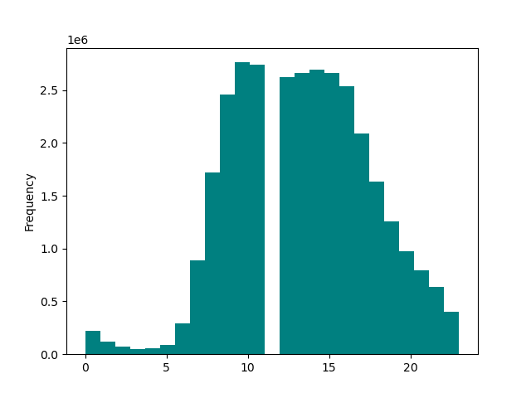
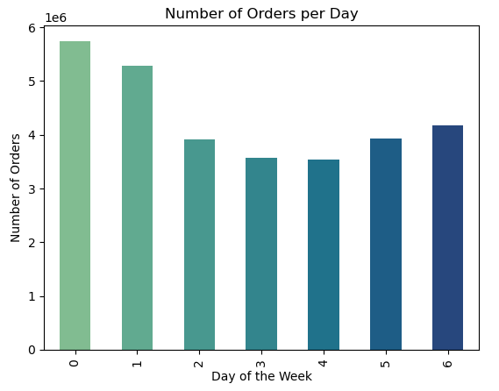
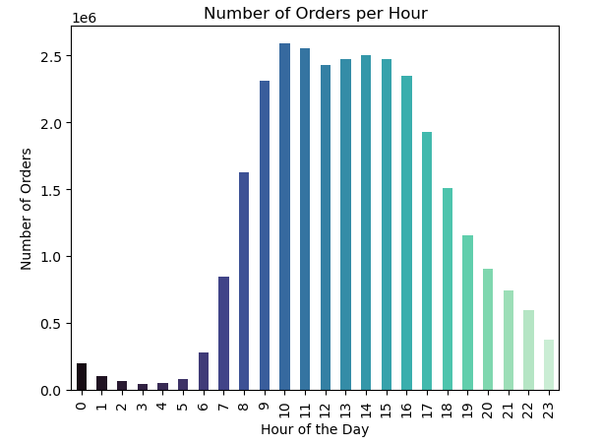
(A)
(B)
(C)

Hour of the Day

Key Question 2: Most money spent per hour
(A) Line chart (A) shows the average prices spent each day of the week. Day 5 (Thursday) has the highest average price, followed by day 1 (Sunday). Day 0 (Saturday) has the lowest average price spent, followed by day 6 (Friday).
(B) Line chart (B) shows the average prices spent per hour. The hour with the highest average price is 6am, followed by 7am, 3pm, and 6pm. The hours where we see the lowest average price spent are 11pm and 4am.

Prices per Day of the Week
Prices per Hour
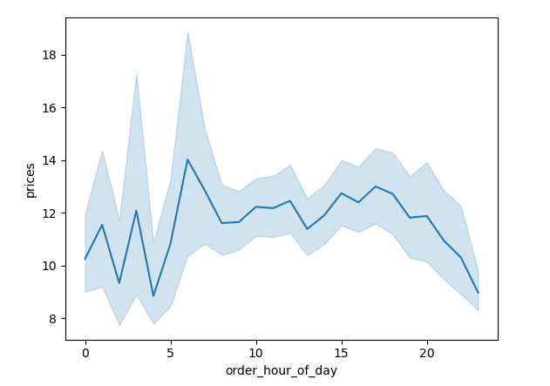
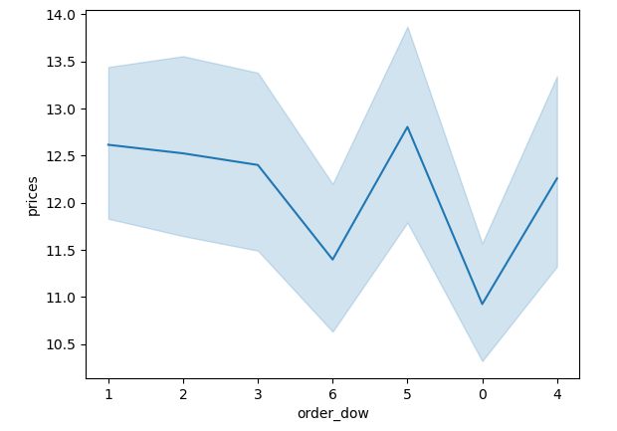
(A)
(B)

Key Question 3: Price Range Groupings
(A) Most products are priced between $1 and $15, and the max price for a product is $25.
(B) & (C) A "high spender" is a customer that spends, on average, greater than or equal to $10 on an order and a "low spender" is a customer that spends less than $10 on an order. There are more customers categorized as "low spenders" than "high spenders", and majority of the low spending customers have a family status of "married". Customers spend less than $10 on average per order, Instacart should consider having majority of their products between $1 and $10, instead of $15.



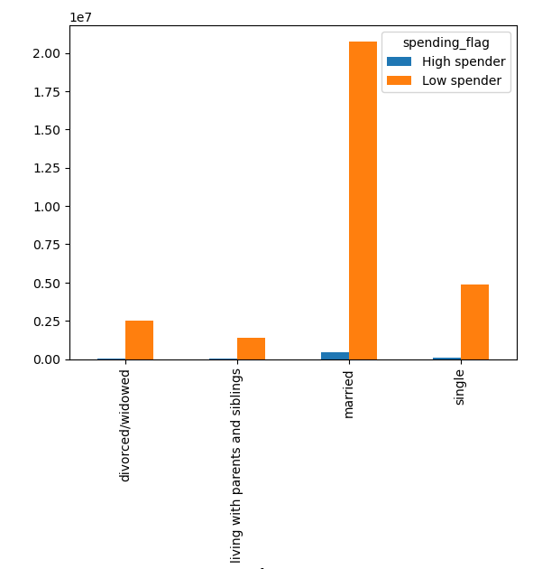
(A)
(C)

(B)
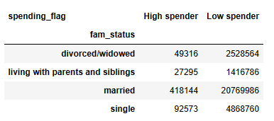

Key Question 4: Popular items
(A) The top ten most popular items are listed in bar chart (A). These are the most ordered products overall at Instacart.
(B) Department 4 (Produce) is the leading department for the total number of orders, followed by department 16 (Dairy and Eggs).
(C) The top 10 most popular items from the produce department are almost identical to the most popular items overall, with the exception of organic raspberries.
(D) The top 10 most popular items from the dairy and eggs department include organic whole milk (which is also in the top 10 most popular items at Instacart).

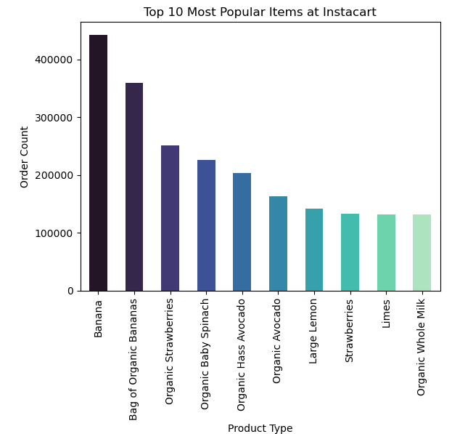
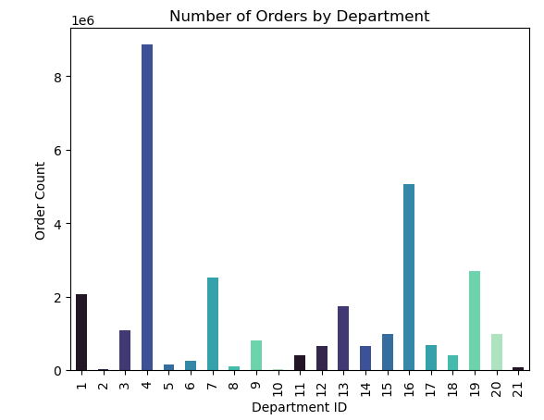
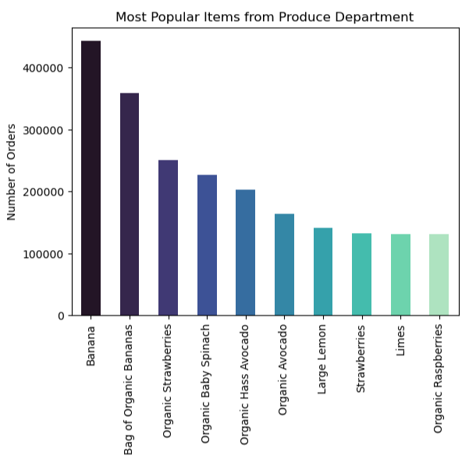
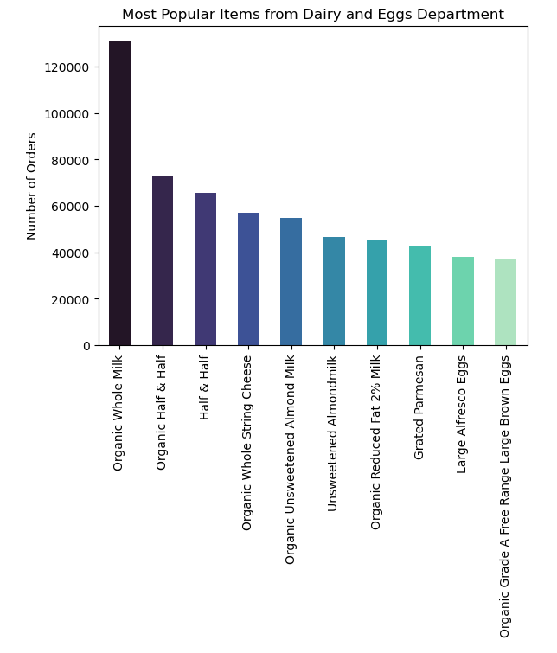

(A)
(B)
(C)
(D)

Key Question 5a: Customer order frequency
The order frequency is the number of days between each subsequent order. Frequent customers, or customers that have less than or equal to 10 days between orders, order the most. Regular customers, or customers that have greater than 10 days and less than or equal to 20 days between orders, order the second most. Non-frequenet customers (greater than 20 days between orders) order the least.
Key Question 5b: Ordering habits based on loyalty status
Regular customers order the most at Instacart. A regular customer is a customer that has a max order count greater than or equal to 10 and less than 40. Next, loyal customers have a max order count greater than 40. The customers that have the least orders are new customers, which have a max order count less than 10.
Key Question 5c: Ordering habits basesd on regions
The West region, which consists of 13 states, have the highest number of orders. The South region follows closely behind the west, and consists of 16 states. The Midwest, which consists of 12 states, is also in the top 3 leading regions for most orders. The last two regions, the Northeast and the Middle Atlantic consist of 10 states total. The regions with the most states have the most activity at Instacart.

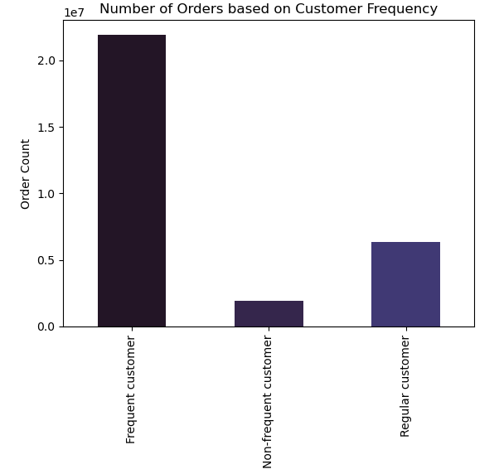
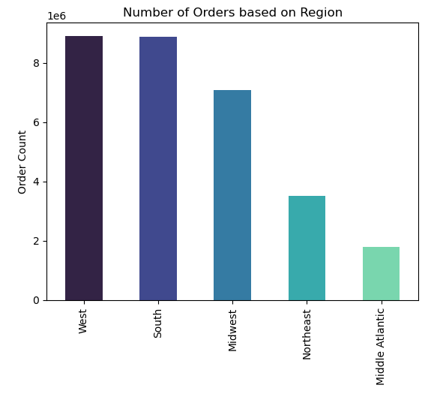
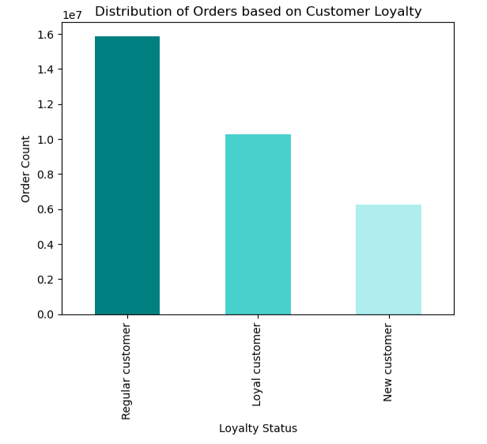

8903829

8873122

7070122

3525295

1799056

Key Question 5d: Age and family status
(A) The average number of dependents is different for each family status. An individual with a family status of "divorced/widowed" or "single", has an average of zero dependents. An individual with a family status of "living with parents and siblings" or "married", has an average of 2 dependents.
(B) According to the line chart, there is no obvious relationship between number of dependents and age. The line chart has a random display of data and there is no positive or negative relationship as the age changes or as the number of dependents changes.
(C) A 45 year-old individual will spend, on average, $22.98 on an order. This age is in between the average age of 52 and 38 for individuals that have a married or single status, respectively. These two family statuses also spend the most on average each order (F).
(D) The average price spent by each family status is shown below, along with the average age for each family status. A single, 38/39 year-old individual spends the most on orders ($12.33). A married, 51/52 year-old individual spends the second-most on orders ($11.86). Next, a divorced/widowed, 70/71 year-old individual spends $11.60 on average. Lastly, a living with parents and siblings, 19/20 year-old individual spends $10.66 on average.
(E) Customers with a family status of "married" order the most through Instacart.
(F) This is a visual display of (D), showing the average order price for each family status. An individual with a status of "single" will spend the most on average for an order.

Relationship between Age and Prices of Items Ordered
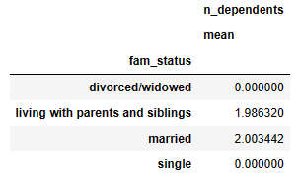
(A)
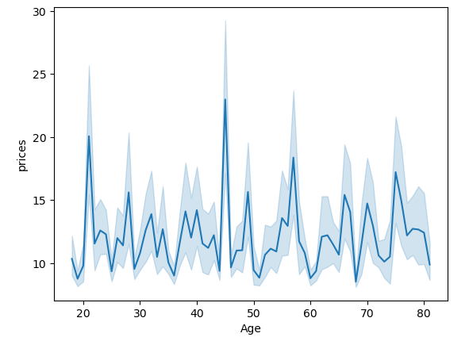
(C)
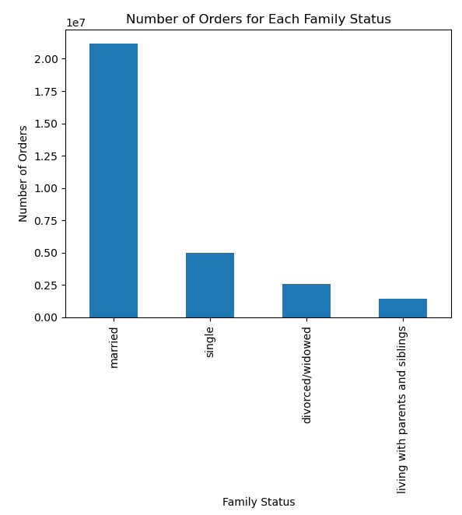
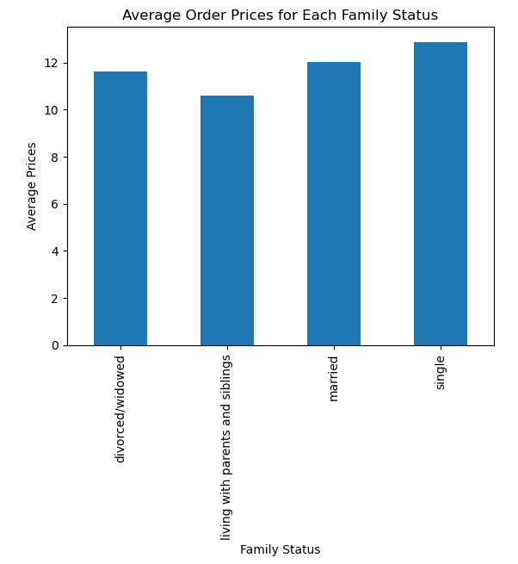
(F)
(E)
Age: 45
Avg. Price: 22.984228



(B)

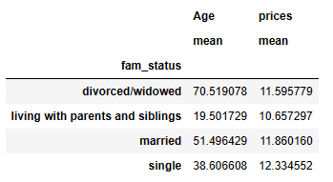
(D)

Key Question 5e: Other Demographics
(A) The average age and average price spent on an order is roughly the same for each gender. Both female and male customers are around 49 years-old and spend a little less than $12 on average for each order.
(B) There is a jump in income around age 40; those adults over 40 tend to have more spending power than adults under 40. Majority of the spending power / income seems to be $200,000 and below (there is a greater density of Instacart users in this area).
(C) The average order price is highest in the Midwest region, followed by the South and Northeast regions. This means that customers in this region tend to order items that are higher in price. There does not seem to be an influence of income because the average income for a customer from each of the regions is very similar (between $99,300 to $100,500). Despite the average price and average income for each region, as mentioned above in Key Question 5c, customers from the West and South regions order the most.

Relationship between Age and Gender


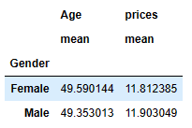
(A)
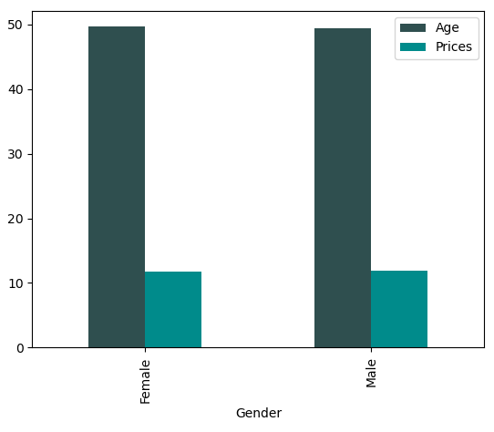
(B)

Relationship between Income and Age

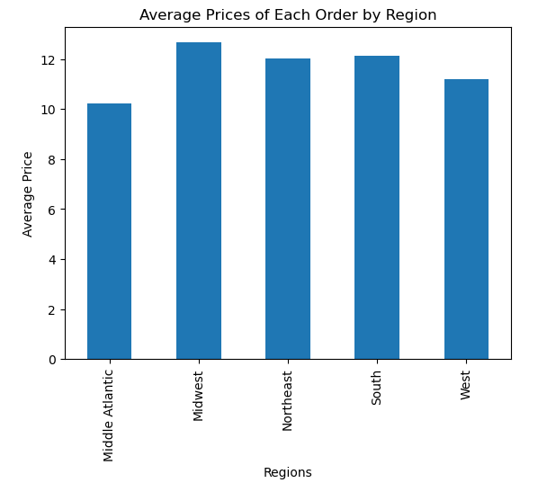
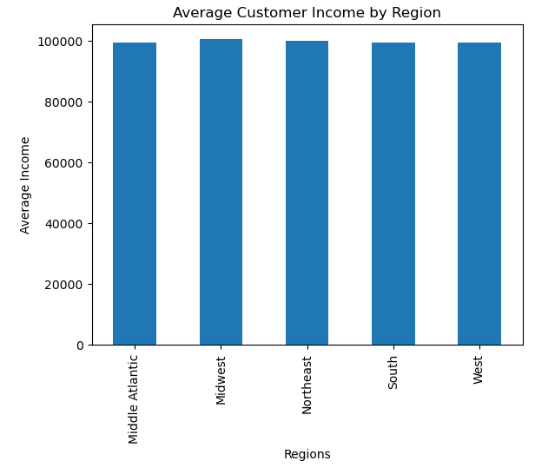
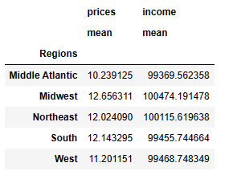
(C)

Key Question 5e: Other Demographics cont.
(D) To continue the exploration of family status from 5d above, the "married" family status have the largest number of orders, on average spend $11.86 each order, and have the most number of dependents. The most popular department that this family status orders from is the produce department (4), followed by the dairy and eggs department (16), the snacks department (19), the beverages department (7), and the frozen department (1).
- The most popular items from the produce department for the "married" family status are the same items listed in key qeustion 4c.
- Because the produce and dairy and egg departments were touched upon in key question 4c and 4d, I chose to show the snacks and beverages departments here instead.
(E) The most popular item from the snacks department are lightly salted baked snap pea crisps (which cost $5.10), followed by original veggie straws (which cost $6.60)
(F) The most popular item from the beverages department is sparkling water grapefruit (which cost $4.20), followed by spring water (which cost $2.00).

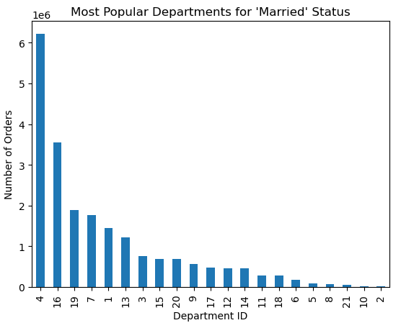
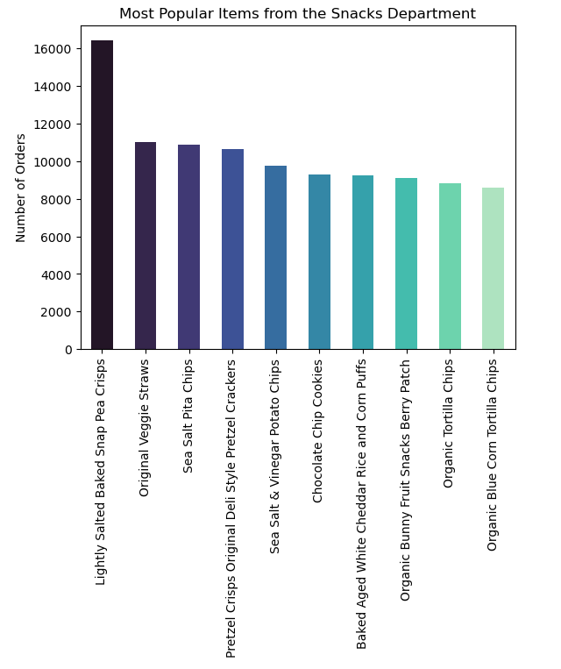
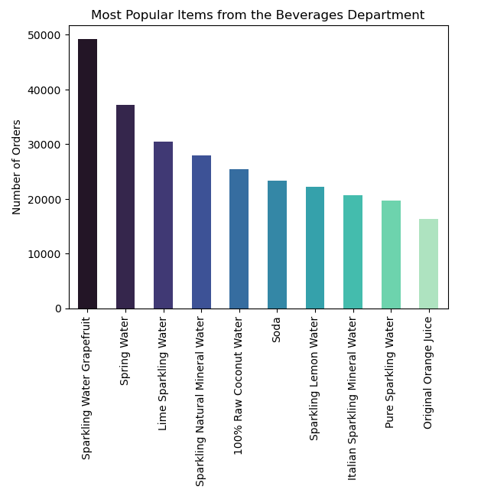

(D)
(E)
(F)

Key Question 5f: Customer Profiles
(A) The customer profile that ordered the most was "adult, family, kids, low income", followed by "adult, family, kids, high income", and "senior, family, kids, high income".
(B) The customer profile that ordered most frequently was "adult, family, kids, low income", followed by 'adult, famiy, kids, high income", and "senior, family, kids, high income". As observed earlier, the income of a customer does not have a significant influence on if a customer will use and purchase items through Instacart.
(C) The customer profile "adult, family, kids, low income" has majority of the customers from the South and West regions, this is consistent to the regions observed when looking at all customers.

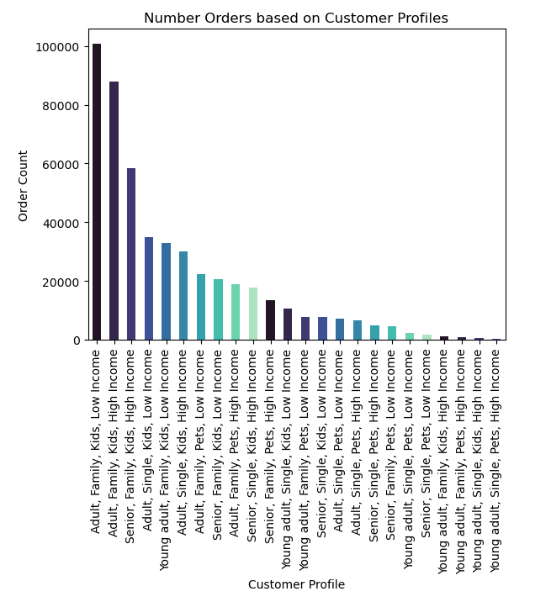
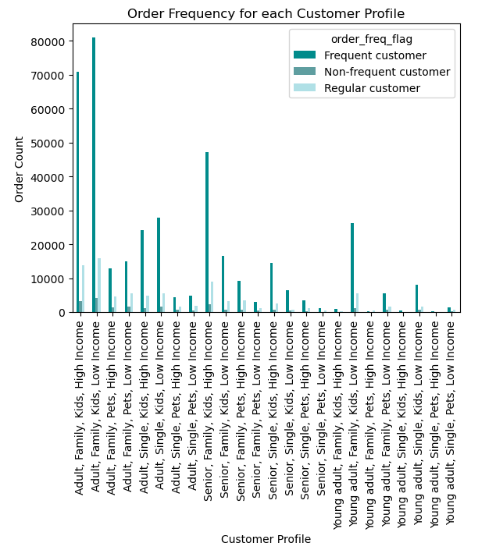
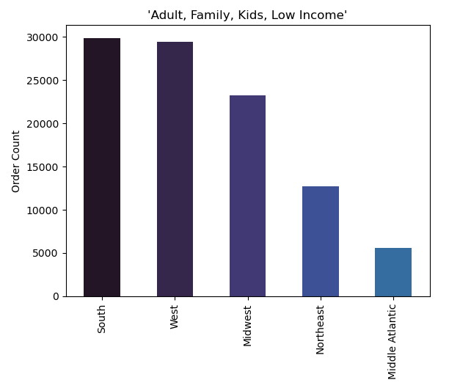

(A)
(B)
(C)

7. Recommendations
 |  | Title page

Recommendations

In this tab you should include any recommendations you would make to Instcart in terms of their marketing strategy based on the questions posed in the brief. Every key question has been covered in the Tasks of the Exercises - here you need to add an item - a visualisation or table/crosstable that is showing the answer in the data, acompanied by a comment from you. Please, list the questions below and add the answer underneath.

Question | Answer / Recommendation
Key Question 1 The sales team needs to know what the busiest days of the week and hours of the day are (i.e., the days and times with the most orders) in order to schedule ads at times when there are fewer orders. | The busiest days of the week, from busiest to least busy are: Saturday, Sunday, Friday, Thursday, Monday, Tuesday, and Wednesday. The busiest hours of the day are between 9am to 4pm, this time frame sees the most orders. The least busy time when orders are placed is from midnight to 5am. I recommend that advertisements be scheduled on Wednesdays, Tuesdays, and Mondays, during 5pm to 5am, when order activity begins to decrease.
Key Question 2 They also want to know whether there are particular times of the day when people spend the most money, as this might inform the type of products they advertise at these times. | The days that customers spend the most money (the highest average price spent on an order), from highest to lowest are: Thursday, Sunday, Monday, Tuesday, Wednesday, Friday, and Saturday. The hours that customers spend the most money are 6am, 7am, 3pm, and 6pm. Instacart customers tend to order more items that cost less. For example, Saturdays are the days with the most orders and customers on average spend $10.92 on each order on Saturdays (which is the smallest average price compared to all other days of the week). I recommend that higher priced items be advertised on Thursdays, Sundays, and Mondays, during 6am to 9am (which covers the timeframe where we start to see an increase in activity), and during 3pm to 6pm.
Key Question 3 Instacart has a lot of producuts with different price tags. Marketing and sales want to use simpler price range groupings to help direct their efforts. | Most products are priced between $1 and $15 and the max price for a product is $25. There are more customers that spend less than $10 on average per order than there are customers that spend $10 or more on average per order. In consideration of key question 2 and the average price per order, a customer will spend at most $12.80 on an order, I recommend that Instacart continue to provide products between the $1 and $15 range. Example price range groupings that may be useful for data analysis and categorization: produce <= $5 and produce >$5, meat and seafood <=$10 and >$10 (this department has the max priced item), or snacks <=$2, and >$2 & <=$5, and >$5. Additionally, most customers that spend less than $10 on average per order are also customers with a “married” family status. This family status spends the most, whether the customer is considered a high spender or low spender (covered in key question 5e).
Key Question 4 Are there certain types of products that are more popular than others? The marketing and sales teams want to know which departments have the highest frequency of producct orders. | The majority of the top ten most popular items at Instacart are from the produce department (fruits and vegetables). The produce department is the leading department with the most orders, followed by the dairy and eggs department, the snacks department, and the beverages department. The top ten most popular items in the produce department are almost identical to the top ten most popular items at Instacart overall, with the exception of organic raspberries (these are not in the overall chart). The top ten most popular items in the dairy and eggs department includes organic whole milk, which is the 10th most popular item at Instacart overall.
Key Question 5 The marketing and sales teams are particularly interested in the different types of customers in their system and how their ordering behaviors differ. For example: a - What's the distribution among users regarding their brand loyalty (i.e. how often do they return to Instacart?) | The order frequency of a customer is the number of days between subsequent orders. If there are less days between orders, then the customer shops more frequently between orders. Customers categorized as “frequent” have 10 or less days between orders, and have the largest number of orders at Instacart. The next type of customer is a “regular” customer that has more than 10 days and less than or equal to 20 days between orders. These customers have less orders than “frequent” customers at Instacart. Lastly, “non-frequent” customers order the least from Instacart, and have more than 20 days between orders.
b - Are there differences in ordering habits based on a customer's loyalty status? | A loyalty flag was created to categorize the customer loyalty status. Customers with a loyalty status of “regular” order the most at Instacart. These customers are categorized as “regular” because they have a maximum order number of 10 or more and less than 40. Customers with a loyalty status of “loyal” order the second most at Instacart. These customers are categorized as “loyal” because they have a maximum order number of 40 or more orders. The customers that order the least from Instacart are “new” customers and these customers have a maximum order number of less than 10.
c - Are there differences in ordering habits based on a customer's region? | Yes. The customers from the West region and the South region have the highest number of orders. These two regions also have majority of the states (13 and 16, respectively). The Midwest region, which consists of 12 states, is also in the top 3 leading regions for most orders. The last two regions, the Northeast and the Middle Atlantic consist of 10 states total. The regions with the most states have the most activity at Instacart.
d - Is there a connection between age and family status in terms of ordering habits? | Number of dependents: the average number of dependents is different for each family status. An individual with a family status of “divorced/widowed” or “single”, has an average of zero dependents. An individual with a family status of “living with parents and siblings” or “married” has an average of 2 dependents. The number of dependents does not appear to have a relationship with age. Age: A single, 38/39 year-old customer spends the most on orders ($12.33), followed by a married 51/52 year-old customer ($11.86), a divorced/widowed 70/71 year-old customer ($11.60), and lastly, a 19/20 year-old customer living with parents and siblings spends the least on orders ($10.66). The highest average price ($22.98) spent on an order is from a customer that is 45 years-old. Family status: Customers with the family status of “married” order the most at Instacart. Customers with the family status of “married” or “single” spend the most, on average, per order.
e - What different classifications does the demographic information suggest? Age? Income? Certain types of goods? Family status? | Gender: Both female and male customers are around 49 years-old and spend a little less than $12 on average for each order. There is no significant difference if the customer is male or female. Income: Adults over 40 years-old tend to have more spending power than adults under 40. Majority of the spending power / income seems to be $200,000 and below because there is a greater density of Instacart users in this area). The average customer income does not differ depending on the region that the customer is from. The incomes for each region range between $99,300 and $100,500. However, customers from the Midwest region order items that are higher in price, followed by the South, Northeast, West, and Middle Atlantic regions. “Married” family status: The “married” family status customers have the largest number of orders, on average spend $11.86 each order, and have the most number of dependents. The most popular departments that this family status orders from are produce, dairy and eggs, snacks, beverages, and frozen.
f - What differences can you find in ordering habits of different customer profiles? Consider the price of orders, frequency, products ordered... | The customer profile that had the most orders were “adult, family, kids, low income”, followed by “adult, family, kids, high income”, and “senior, family, kids, high income”. The top 6 customer profiles that purchased the most at Instacart, all made purchases in the babies department (“kids” portion of the profile). Additionally, the customers that ordered most frequently all had families (the number of dependents was greater than 0) and kids. I recommend that Instacart continue to provide more and the best quality items in the babies department, and other kid-related departments because this department is popular among customers with families.

